Cycle
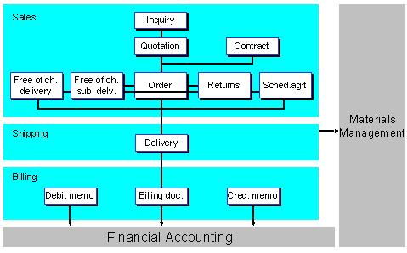

MM | SD
1. PR (get requirement from internal team) | 1. Inquiry/Leads
2. Quotation RFQ - (Different Cost, Different Timeline) 2.1. Quotation (final quotation) | 2. Quotation
3. Soure Info 3.1. P Order | 3. Sales Order
4. Delivery or Good Receipt | 4.Delivery
5.Billing | 5.Billing
6.Outgoing Payment | 6.Incoming Payment

PO | SO
Vendor | Customer
 | Note : *****Inquiry and Quotation are not compulsory. Hence the sales cycle in SAP is also called as OTC-Order To Cash

